Sheet1
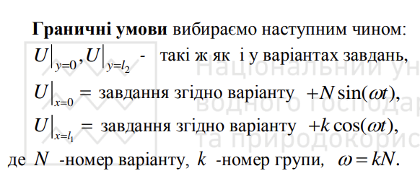
t | 0 |  |  |  |  |  |  | h1=h2= | 0.1
 | x2,y |  |  |  |  |  |  | N= | 5
3 | 0.3 | -10.8 | 0.3 | 0.6 | 0.9 | 2.2 |  | l1=a= | 4
2 | 0.2 | -11.2 | 4.8907380037 | -3.4582740074 | 2.4453690018 | 1.8 |  | l2=b= | 3
1 | 0.1 | -11.6 | 4.9726094768 | -3.5161658813 | 2.4863047384 | 1.4 |  | k | 1
0 | 0 | -12 | -11.7 | -11.4 | -11.1 | 1 |  | w= | 5
 |  | 0 | 0.1 | 0.2 | 0.3 | 0.4 | x1,x | y1=y2= | 0.1
 |  | 0 | 1 | 2 | 3 | 4 |  | tay | 0.001

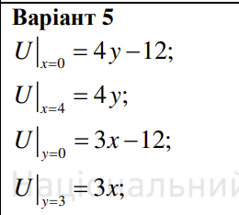
t | 0.01
 | x2,y
3 | 0.3 | -10.550104154 | 0.3 | 0.6 | 0.9 | 2.1987502604
2 | 0.2 | -10.950104154 | 1.9958763491 | -1.632970292 | 1.6400244742 | 1.7987502604
1 | 0.1 | -11.350104154 | 0.79102289835 | -2.849635508 | 0.41470315511 | 1.3987502604
0 | 0 | -11.750104154 | -11.7 | -11.4 | -11.1 | 0.99875026039
 |  | 0 | 0.1 | 0.2 | 0.3 | 0.4 | x1,x
 |  | 0 | 1 | 2 | 3 | 4

t | 0.02
 | x2,y
3 | 0.3 | -10.300832917 | 0.3 | 0.6 | 0.9 | 2.1950041653
2 | 0.2 | -10.700832917 | 0.048320654755 | -0.84115564367 | 1.1320629969 | 1.7950041653
1 | 0.1 | -11.100832917 | -1.9157725922 | -2.8925057286 | -0.84226418427 | 1.3950041653
0 | 0 | -11.500832917 | -11.7 | -11.4 | -11.1 | 0.99500416528
 |  | 0 | 0.1 | 0.2 | 0.3 | 0.4 | x1,x
 |  | 0 | 1 | 2 | 3 | 4

t | 0.03
 | x2,y
3 | 0.3 | -10.052809338 | 0.3 | 0.6 | 0.9 | 2.1887710779
2 | 0.2 | -10.452809338 | -1.2867837224 | -0.61590559391 | 0.78039623186 | 1.7887710779
1 | 0.1 | -10.852809338 | -3.7139653544 | -3.2354226792 | -1.6519023672 | 1.3887710779
0 | 0 | -11.252809338 | -11.7 | -11.4 | -11.1 | 0.98877107794
 |  | 0 | 0.1 | 0.2 | 0.3 | 0.4 | x1,x
 |  | 0 | 1 | 2 | 3 | 4

